Sheet 1
Suspension Pivot Hardpoints (Inputs)
Geometry Inputs | Value | Unit | Description
Y_U | 100 | mm | Upper inboard pickup axis lateral position (from origin)
Z_U | 100 | mm | Upper inboard pickup axis vertical position (from origin)
Y_L | 80 | mm | Lower inboard pickup axis lateral position (from origin)
Z_L | 30 | mm | Lower inboard pickup axis vertical position (from origin)
L_U | 160 | mm | Upper arm member length
L_L | 190 | mm | Lower arm member length
L_u | 70 | mm | Upright length (linear distance between upper and lower outboard rod end centers)
X_uf | 50 | mm | Longitudinal position of the upper front pickup (from origin)
X_ur | 150 | mm | Longitudinal position of the upper rear pickup (from origin)
X_lf | 30 | mm | Longitudinal position of the lower front pickup (from origin)
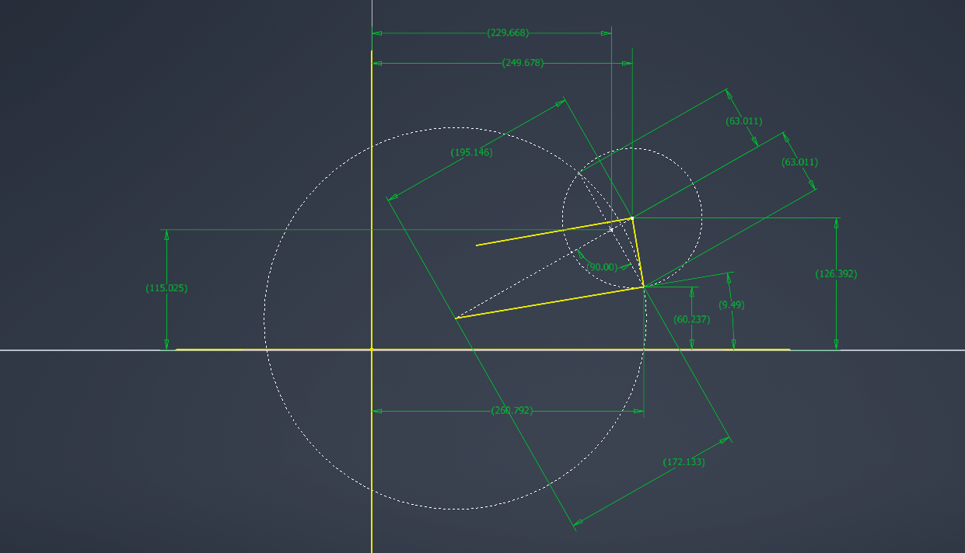
X_lr | 130 | mm | Longitudinal position of the lower rear pickup (from origin)
theta_U0 | 10 | deg | Upper arm angle from horizontal at ride height on flat ground

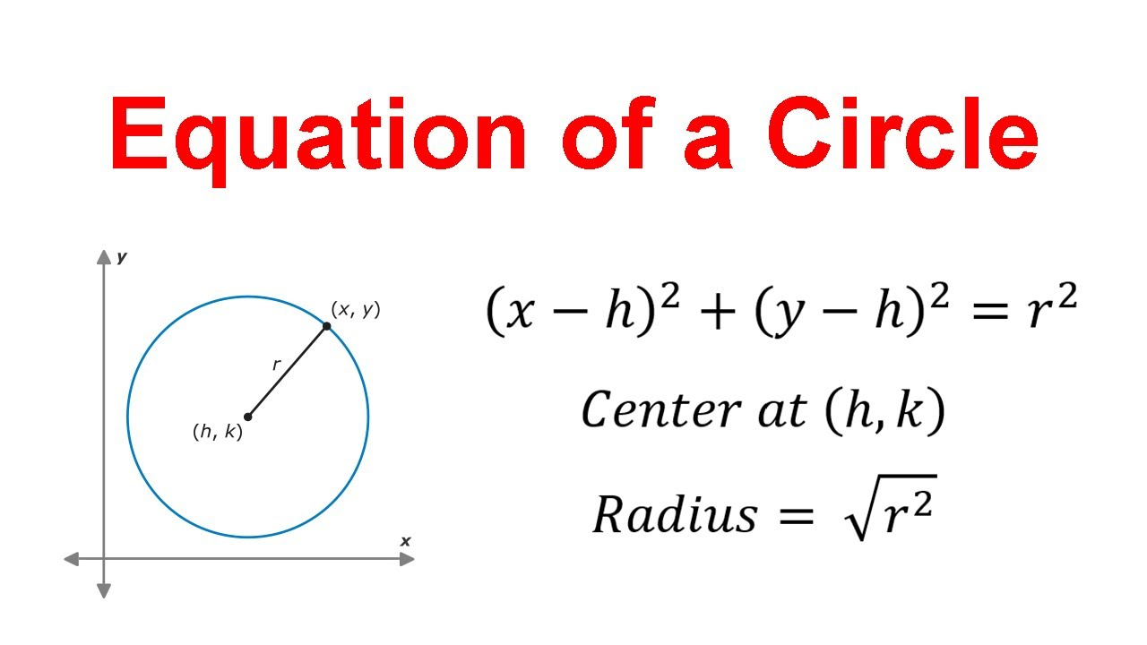
Calculated Intermediate Values
Parameter Name | Value | Unit | Description
base_U | 100 | mm | longitudinal spacing between the 2 upper inboard pickup points
base_L | 100 | mm | longitudinal spacing between the 2 lower inboard pickup points
r_U | 151.98684154 | mm | upper arm swing radius
r_L | 183.3030278 | mm | lower arm swing radius
X_UOP | 100 | mm | logitudinal position of the upper outboard pivot on the upright
X_LOP | 80 | mm | logitudinal position of the lower outboard pivot on the upright
dX | 20 | mm | longitudinal distance between upper and lower outboard pivots
d_yz | 67.082039325 | mm | Upright height from front view
UOP_y | 249.6778199 | mm | lateral position of upper outboard pivot at current upper arm angle
UOP_z | 126.39223806 | mm | vertical position of upper outboard pivot at current upper arm angle
D_centers | 195.14616605 | mm | Distance between centers of circles drawn at lower inboard and upper outboard points
a_chord | 172.13258012 | mm | distance from center of circle at lower inboard to the line between the intersection points of both circles
h_chord | 63.010910662 | mm | perpendicular distance from a_chord to the 2 possible intersection points of the lower arm and upright
M_y | 229.66771584 | mm | lateral position of the intersection between a_chord and h_chord
M_z | 115.02470213 | mm | vertical position of the intersection between a_chord and h_chord
branch | -1 | const | since the cirles intersect at 2 separate points, we need this value to choose which one is the real life suspension position that doesn't require the arms crossing over
LOP_y | 260.79188714 | mm | lateral position of the lower outboard pivot
LOP_z | 60.237287307 | mm | vertical position of the lower outboard pivot
theta_L0 | 9.4947903177 | deg | angle between lower arm and horizontal

Caluclated Final Values
Parameter Name | Value | Unit | Description
caster | 16.821144883 | deg | side view angle of the steering axis from vertical
KPI | 9.536665673 | deg | (Kingpin inclination) front view angle between the steering axis and horizontal
IC_det | -245.65128126 | mm | determinant of the two arm direction vectors (0 when the arms are parallel and increasesd when they diverege)
IC_y | -7242.6055523 | mm | horizontal position of the instant center
IC_z | 56.086993726 | mm | vertical position of the instant center

